Confirmed PO
PURCHASE ORDER |  |  |  |  |  | PT. LARA THALIA ABADI
PO NO | : 5558 |  |  |  |  | EVERBEST TOWER - CENGKARENG BUSINESS CITY TOWER M
 |  |  |  | EVERBEST |  | Jl. Atang Sanjaya no. 21 Benda - Tangerang Banten, Indonesia
DATE | : 21 May 2026 |  |  | NEW ARRIVAL - MAKASSAR |  | PHONE : 021 - 2252 9090
TO | : EDE |  |  | FALL 2026 |  | E-MAIL ADDRESS : buyer@everbestgroup.com

DESCRIPTION | DEVELOP CODE | STYLE NAME | COLOUR | QTY | COST | AMOUNT

 | 开发代码 | 款式名称 |  | 数量 | US$ | US$
EVERBEST LADIES BAGS - TOP HANDLE BAG | 263EB117 | MOONLUST | NOIR_BLACK | 22 | $47.29 | $1,040.38
 |  |  | WHEAT_BEIGE | 22 | $47.29 | $1,040.38
Material : LEATHER |  |  |  |  |  | $-
Lining : FABRIC+MICROFIBER |  |  |  |  |  | $-
 |  |  |  |  |  | $-
 |  |  |  |  |  | $-
 |  |  |  | 44 |  | $2,080.76

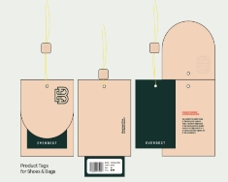
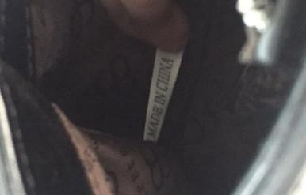
Delivery Date | 13-Jul-26 |  | BARCODE 请贴条码按照图片： | BAG CARD： | 请缝这个布标写“MADE IN CHINA"在内里布
交货日期
LOGO :
商标
TERM OF PAYMENT: | CREDIT

EH-MKS
PUT PRODUCT TAG INTO SHOE BOX
CARTON MARK ：
( 箱标志 )

PICTURE ( 图片 ):
263EB117
MOONLUST

NOIR_BLACK |  | WHEAT_BEIGE

NOIR_BLACK |  | WHEAT_BEIGE |  | 0 |  | 0
PACKAGING 包装： |  |  | OTHER REMARKS:
 |  |  | 注意：
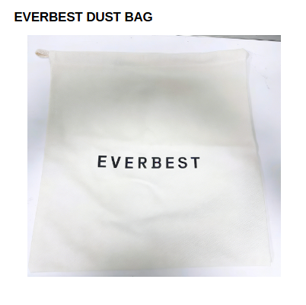


 |  |  | 1. FOLLOW AS SAMPLE
 |  |  | 遵循示例
 |  |  | 2. PLEASE ENSURE THE LONG STRAP IS INCLUDED IN EACH BAG
 |  |  | 请确保每个包中均包含长带

请用LTA胶带封箱 。请看图片
1. USING NEW DESIGN OF DUSTBAG

